Sheet1
 | Document No. |  | Issue No. | Issue Date |  | Review and Replace Date |  | Authorised By
 | GFF366MC |  | 1 | 22.09.2022 |  | New Issue
 | Document Title |  | HALLOUMI FRIES WITH SWEET CHILLI JAM 230G
 |  |  |  |  |  |  |  | Magda Shah
Document amendments reason for change | New product launch |  | Page 1 of 1 |  | Previous Issue Date |  | New Issue | Uncontrolled copy unless signed original

CVHLF-R1TEB |  | BOOTHS - XMAS |  | HALLOUMI FRIES WITH SWEET CHILLI JAM 230G

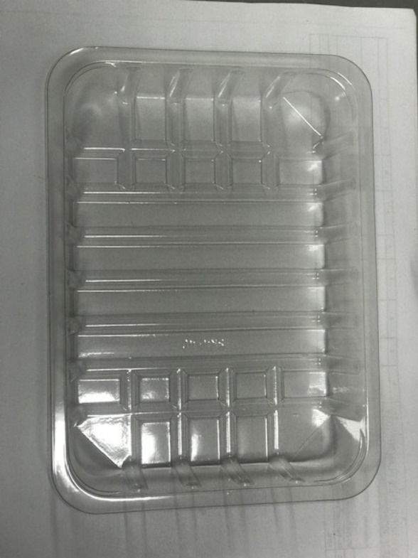 |  |  | 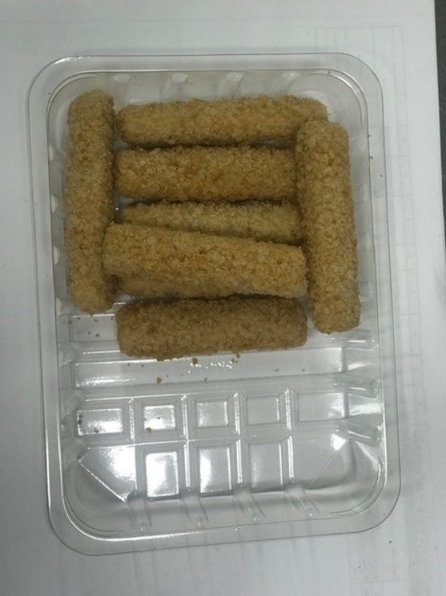
Minimum
8 Halloumi

Tray: SK4-Plain Clear (PKESS001-07) Film: K-peel 7G+25A/f-275mm (PKKMP001-03) |  |  | HALLOUMI FRIES-(RMINN001-01)-190g
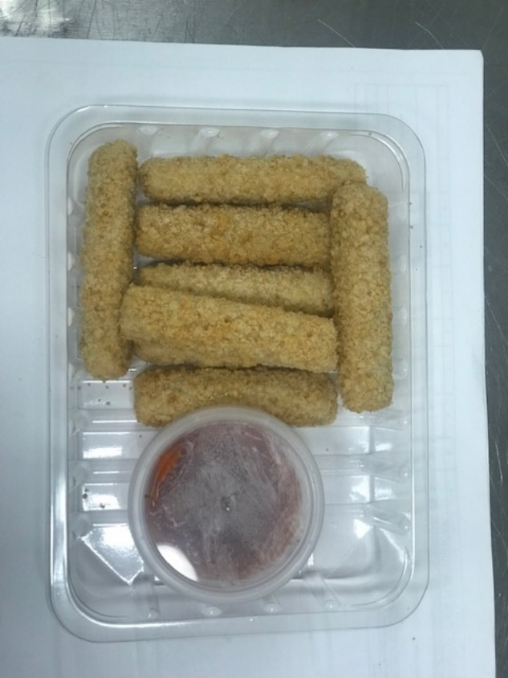
CHILLI JAM-(RMHAW001-04)- 40g |  |  |  |  |  |  | Total Weight: 230g
ALLERGY ALERT: Milk/Wheat/Soya

